Sort& Copy
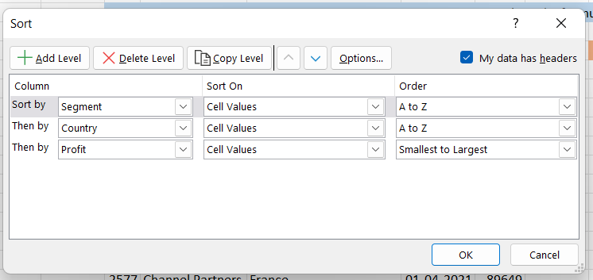
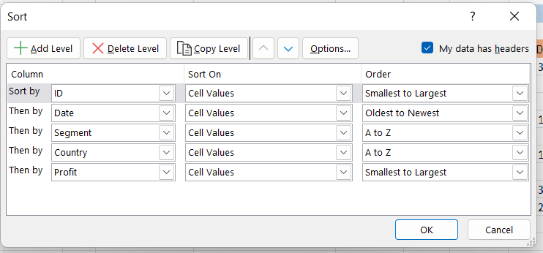
ID | Segment | Country | Date | Profit | ID | Segment | Country | Date | Profit
3331 | Channel Partners | Canada | 2021-06-01 | -14202 | 8 | Government | Mexico | 2021-06-01 | 108879
695 | Channel Partners | Canada | 2021-06-01 | 17043 | 27 | Government | France | 2021-10-01 | 165656
526 | Channel Partners | Canada | 2021-08-01 | 55010 | 33 | Government | France | 2021-03-01 | 25467
1746 | Channel Partners | Canada | 2021-01-01 | 60394 | 38 | Government | Germany | 2021-03-01 | 16452
346 | Channel Partners | Canada | 2021-05-01 | 166490 | 46 | Government | France | 2021-09-01 | 135801
1727 | Channel Partners | Canada | 2021-04-01 | 196137 | 72 | Government | Germany | 2021-06-01 | 247286
405 | Channel Partners | Canada | 2021-12-01 | 219249 | 84 | Government | United States of America | 2021-04-01 | 191293
3127 | Channel Partners | Canada | 2021-12-01 | 232472 | 88 | Government | Canada | 2021-01-01 | 36125
2715 | Channel Partners | France | 2021-11-01 | 39271 | 111 | Government | United States of America | 2021-01-01 | 123287
329 | Channel Partners | France | 2021-09-01 | 60921 | 113 | Government | United States of America | 2021-07-01 | -34980
423 | Channel Partners | France | 2021-08-01 | 87532 | 115 | Government | Germany | 2021-05-01 | 72086
2577 | Channel Partners | France | 2021-04-01 | 89649 | 127 | Government | United States of America | 2021-10-01 | 84660
1783 | Channel Partners | France | 2021-12-01 | 112636 | 128 | Government | France | 2021-12-01 | 201069
3189 | Channel Partners | France | 2021-11-01 | 195638 | 131 | Government | United States of America | 2021-12-01 | 74221
1053 | Channel Partners | France | 2021-11-01 | 211082 | 165 | Government | Germany | 2021-06-01 | 155904
1823 | Channel Partners | France | 2021-05-01 | 223042 | 174 | Government | Mexico | 2021-10-01 | -37886
2466 | Channel Partners | France | 2021-09-01 | 258051 | 184 | Government | Germany | 2021-12-01 | 169991
1121 | Channel Partners | France | 2021-05-01 | 258583 | 211 | Government | United States of America | 2021-11-01 | 207031
3106 | Channel Partners | Germany | 2021-11-01 | 55433 | 221 | Government | Mexico | 2021-11-01 | 39668
1989 | Channel Partners | Germany | 2021-04-01 | 61230 | 280 | Government | Canada | 2021-02-01 | 180474
2001 | Channel Partners | Germany | 2021-02-01 | 74022 | 282 | Government | United States of America | 2021-01-01 | -7921
688 | Channel Partners | Germany | 2021-03-01 | 87460 | 302 | Midmarket | Germany | 2021-01-01 | 193122
2475 | Channel Partners | Germany | 2021-03-01 | 114470 | 309 | Small Business | Mexico | 2021-08-01 | 149617
3307 | Channel Partners | Germany | 2021-06-01 | 223894 | 325 | Midmarket | United States of America | 2021-10-01 | 93656
1706 | Channel Partners | Germany | 2021-04-01 | 247904 | 329 | Channel Partners | France | 2021-09-01 | 60921
3224 | Channel Partners | Germany | 2021-01-01 | 256329 | 342 | Enterprise | France | 2021-01-01 | 180969
686 | Channel Partners | Mexico | 2021-10-01 | 18670 | 346 | Channel Partners | Canada | 2021-05-01 | 166490
3305 | Channel Partners | Mexico | 2021-03-01 | 155535 | 403 | Midmarket | Canada | 2021-07-01 | 12909
2716 | Channel Partners | Mexico | 2021-09-01 | 208038 | 405 | Channel Partners | Canada | 2021-12-01 | 219249
1244 | Channel Partners | Mexico | 2021-07-01 | 219148 | 413 | Midmarket | Canada | 2021-07-01 | 36046
1788 | Channel Partners | Mexico | 2021-05-01 | 232025 | 423 | Channel Partners | France | 2021-08-01 | 87532
451 | Channel Partners | Mexico | 2021-09-01 | 242254 | 441 | Small Business | France | 2021-12-01 | 82089
1743 | Channel Partners | United States of America | 2021-01-01 | 6345 | 451 | Channel Partners | Mexico | 2021-09-01 | 242254
1782 | Channel Partners | United States of America | 2021-03-01 | 30219 | 482 | Midmarket | France | 2021-07-01 | 57399
1048 | Channel Partners | United States of America | 2021-01-01 | 41318 | 492 | Small Business | Mexico | 2021-01-01 | 244677
3122 | Channel Partners | United States of America | 2021-07-01 | 59920 | 526 | Channel Partners | Canada | 2021-08-01 | 55010
3379 | Channel Partners | United States of America | 2021-09-01 | 74093 | 568 | Channel Partners | United States of America | 2021-12-01 | 142874
1024 | Channel Partners | United States of America | 2021-08-01 | 124717 | 591 | Small Business | Mexico | 2021-12-01 | 166353
568 | Channel Partners | United States of America | 2021-12-01 | 142874 | 594 | Midmarket | Canada | 2021-12-01 | 47888
1022 | Channel Partners | United States of America | 2021-07-01 | 152936 | 636 | Enterprise | Mexico | 2021-08-01 | 86220
2100 | Channel Partners | United States of America | 2021-04-01 | 189847 | 640 | Small Business | Mexico | 2021-04-01 | 27542
3265 | Channel Partners | United States of America | 2021-02-01 | 192728 | 659 | Enterprise | Mexico | 2021-04-01 | 173199
1722 | Channel Partners | United States of America | 2021-04-01 | 201120 | 681 | Small Business | Germany | 2021-08-01 | 17711
3469 | Channel Partners | United States of America | 2021-07-01 | 252080 | 686 | Channel Partners | Mexico | 2021-10-01 | 18670
1809 | Enterprise | Canada | 2021-07-01 | 23560 | 688 | Channel Partners | Germany | 2021-03-01 | 87460
3423 | Enterprise | Canada | 2021-06-01 | 34080 | 695 | Channel Partners | Canada | 2021-06-01 | 17043
3145 | Enterprise | Canada | 2021-01-01 | 40778 | 706 | Government | France | 2021-01-01 | 48442
1045 | Enterprise | Canada | 2021-08-01 | 99343 | 728 | Government | United States of America | 2021-04-01 | 175220
3108 | Enterprise | Canada | 2021-07-01 | 104422 | 733 | Government | France | 2021-11-01 | 146394
3295 | Enterprise | Canada | 2021-11-01 | 161110 | 738 | Government | Germany | 2021-12-01 | 158679
2670 | Enterprise | France | 2021-12-01 | 12709 | 739 | Government | Canada | 2021-11-01 | 86186
1332 | Enterprise | France | 2021-07-01 | 26819 | 748 | Government | United States of America | 2021-07-01 | 5850
2580 | Enterprise | France | 2021-04-01 | 42319 | 762 | Government | United States of America | 2021-06-01 | -15140
1377 | Enterprise | France | 2021-05-01 | 57755 | 777 | Government | Mexico | 2021-06-01 | 190517
2439 | Enterprise | France | 2021-12-01 | 71529 | 780 | Government | Mexico | 2021-08-01 | 131983
1210 | Enterprise | France | 2021-08-01 | 109849 | 796 | Government | France | 2021-06-01 | 137843
2044 | Enterprise | France | 2021-05-01 | 164464 | 803 | Government | France | 2021-07-01 | 96209
342 | Enterprise | France | 2021-01-01 | 180969 | 805 | Government | Canada | 2021-02-01 | 134977
2744 | Enterprise | France | 2021-12-01 | 210352 | 819 | Government | Canada | 2021-05-01 | 59423
2739 | Enterprise | France | 2021-10-01 | 236531 | 825 | Government | Canada | 2021-06-01 | 32352
3498 | Enterprise | Germany | 2021-08-01 | 7269 | 842 | Government | Mexico | 2021-08-01 | 19225
1398 | Enterprise | Germany | 2021-08-01 | 19002 | 858 | Government | Mexico | 2021-03-01 | 150851
2423 | Enterprise | Germany | 2021-08-01 | 23010 | 864 | Government | France | 2021-06-01 | 7110
1329 | Enterprise | Germany | 2021-07-01 | 36547 | 867 | Government | Mexico | 2021-06-01 | 259896
2009 | Enterprise | Germany | 2021-05-01 | 124153 | 870 | Government | Canada | 2021-11-01 | 222162
1107 | Enterprise | Germany | 2021-03-01 | 126174 | 874 | Government | Mexico | 2021-10-01 | 5652
1353 | Enterprise | Germany | 2021-09-01 | 220591 | 891 | Government | United States of America | 2021-02-01 | 173392
2621 | Enterprise | Mexico | 2021-05-01 | 1696 | 893 | Government | Mexico | 2021-02-01 | 230726
1307 | Enterprise | Mexico | 2021-02-01 | 13845 | 894 | Government | United States of America | 2021-10-01 | 154630
2654 | Enterprise | Mexico | 2021-02-01 | 27849 | 911 | Government | United States of America | 2021-06-01 | 161165
3399 | Enterprise | Mexico | 2021-08-01 | 75634 | 926 | Government | Germany | 2021-06-01 | 6105
636 | Enterprise | Mexico | 2021-08-01 | 86220 | 930 | Government | Mexico | 2021-03-01 | 34334
1256 | Enterprise | Mexico | 2021-06-01 | 91931 | 949 | Government | Canada | 2021-12-01 | 8406
2455 | Enterprise | Mexico | 2021-02-01 | 157993 | 950 | Government | Canada | 2021-06-01 | 27137
659 | Enterprise | Mexico | 2021-04-01 | 173199 | 952 | Government | Canada | 2021-07-01 | 7819
3138 | Enterprise | United States of America | 2021-11-01 | 28110 | 963 | Government | United States of America | 2021-09-01 | 193691
3443 | Enterprise | United States of America | 2021-03-01 | 75969 | 973 | Government | United States of America | 2021-07-01 | 229218
1037 | Enterprise | United States of America | 2021-12-01 | 198140 | 977 | Government | Mexico | 2021-05-01 | 82968
952 | Government | Canada | 2021-07-01 | 7819 | 979 | Government | France | 2021-06-01 | 234786
949 | Government | Canada | 2021-12-01 | 8406 | 983 | Government | United States of America | 2021-10-01 | 249705
2352 | Government | Canada | 2021-06-01 | 17150 | 1004 | Midmarket | Germany | 2021-08-01 | 22746
1505 | Government | Canada | 2021-10-01 | 24838 | 1011 | Midmarket | United States of America | 2021-08-01 | 85536
950 | Government | Canada | 2021-06-01 | 27137 | 1019 | Midmarket | France | 2021-11-01 | 25301
825 | Government | Canada | 2021-06-01 | 32352 | 1022 | Channel Partners | United States of America | 2021-07-01 | 152936
88 | Government | Canada | 2021-01-01 | 36125 | 1024 | Channel Partners | United States of America | 2021-08-01 | 124717
3050 | Government | Canada | 2021-03-01 | 51626 | 1037 | Enterprise | United States of America | 2021-12-01 | 198140
3080 | Government | Canada | 2021-09-01 | 55991 | 1045 | Enterprise | Canada | 2021-08-01 | 99343
819 | Government | Canada | 2021-05-01 | 59423 | 1048 | Channel Partners | United States of America | 2021-01-01 | 41318
2839 | Government | Canada | 2021-11-01 | 63494 | 1053 | Channel Partners | France | 2021-11-01 | 211082
1653 | Government | Canada | 2021-07-01 | 64755 | 1070 | Small Business | United States of America | 2021-01-01 | 8675
739 | Government | Canada | 2021-11-01 | 86186 | 1079 | Small Business | Germany | 2021-03-01 | 132363
1525 | Government | Canada | 2021-02-01 | 105602 | 1084 | Midmarket | Mexico | 2021-12-01 | 130275
805 | Government | Canada | 2021-02-01 | 134977 | 1091 | Small Business | United States of America | 2021-10-01 | 174302
1415 | Government | Canada | 2021-12-01 | 135311 | 1107 | Enterprise | Germany | 2021-03-01 | 126174
1675 | Government | Canada | 2021-04-01 | 137705 | 1112 | Small Business | France | 2021-10-01 | 13328
1488 | Government | Canada | 2021-02-01 | 155266 | 1115 | Small Business | Canada | 2021-03-01 | 48808
2925 | Government | Canada | 2021-07-01 | 159745 | 1121 | Channel Partners | France | 2021-05-01 | 258583
1624 | Government | Canada | 2021-05-01 | 166824 | 1191 | Midmarket | Mexico | 2021-02-01 | 33850
280 | Government | Canada | 2021-02-01 | 180474 | 1200 | Midmarket | France | 2021-09-01 | 147727
3027 | Government | Canada | 2021-06-01 | 213069 | 1210 | Enterprise | France | 2021-08-01 | 109849
1615 | Government | Canada | 2021-08-01 | 217962 | 1227 | Midmarket | France | 2021-10-01 | 231047
870 | Government | Canada | 2021-11-01 | 222162 | 1244 | Channel Partners | Mexico | 2021-07-01 | 219148
2136 | Government | Canada | 2021-05-01 | 240648 | 1253 | Midmarket | Canada | 2021-02-01 | 187979
2916 | Government | Canada | 2021-04-01 | 244904 | 1256 | Enterprise | Mexico | 2021-06-01 | 91931
864 | Government | France | 2021-06-01 | 7110 | 1260 | Small Business | United States of America | 2021-12-01 | 152076
3036 | Government | France | 2021-06-01 | 7190 | 1269 | Midmarket | Mexico | 2021-09-01 | 213879
2972 | Government | France | 2021-08-01 | 7382 | 1285 | Small Business | Mexico | 2021-02-01 | 7298
1446 | Government | France | 2021-12-01 | 9682 | 1296 | Midmarket | United States of America | 2021-01-01 | 1661
2897 | Government | France | 2021-08-01 | 23250 | 1307 | Enterprise | Mexico | 2021-02-01 | 13845
33 | Government | France | 2021-03-01 | 25467 | 1324 | Midmarket | Germany | 2021-11-01 | 188860
3094 | Government | France | 2021-01-01 | 28289 | 1329 | Enterprise | Germany | 2021-07-01 | 36547
1636 | Government | France | 2021-04-01 | 35096 | 1331 | Small Business | United States of America | 2021-12-01 | 60882
1572 | Government | France | 2021-07-01 | 44394 | 1332 | Enterprise | France | 2021-07-01 | 26819
706 | Government | France | 2021-01-01 | 48442 | 1342 | Midmarket | France | 2021-06-01 | 139728
2214 | Government | France | 2021-02-01 | 86142 | 1353 | Enterprise | Germany | 2021-09-01 | 220591
2896 | Government | France | 2021-07-01 | 89802 | 1355 | Midmarket | United States of America | 2021-06-01 | 216695
803 | Government | France | 2021-07-01 | 96209 | 1377 | Enterprise | France | 2021-05-01 | 57755
1429 | Government | France | 2021-06-01 | 115261 | 1381 | Small Business | Germany | 2021-08-01 | 102572
3085 | Government | France | 2021-02-01 | 134107 | 1396 | Midmarket | Canada | 2021-08-01 | 229197
46 | Government | France | 2021-09-01 | 135801 | 1398 | Enterprise | Germany | 2021-08-01 | 19002
796 | Government | France | 2021-06-01 | 137843 | 1413 | Government | Mexico | 2021-09-01 | 209590
1537 | Government | France | 2021-01-01 | 142596 | 1415 | Government | Canada | 2021-12-01 | 135311
733 | Government | France | 2021-11-01 | 146394 | 1429 | Government | France | 2021-06-01 | 115261
2811 | Government | France | 2021-01-01 | 151301 | 1434 | Government | Mexico | 2021-04-01 | 220171
27 | Government | France | 2021-10-01 | 165656 | 1446 | Government | France | 2021-12-01 | 9682
1540 | Government | France | 2021-06-01 | 165992 | 1471 | Government | Germany | 2021-12-01 | 81048
1686 | Government | France | 2021-07-01 | 173616 | 1488 | Government | Canada | 2021-02-01 | 155266
128 | Government | France | 2021-12-01 | 201069 | 1489 | Government | Germany | 2021-05-01 | 24879
2207 | Government | France | 2021-02-01 | 210276 | 1505 | Government | Canada | 2021-10-01 | 24838
979 | Government | France | 2021-06-01 | 234786 | 1525 | Government | Canada | 2021-02-01 | 105602
2259 | Government | Germany | 2021-12-01 | -21877 | 1526 | Government | United States of America | 2021-04-01 | 214102
926 | Government | Germany | 2021-06-01 | 6105 | 1531 | Government | United States of America | 2021-09-01 | 27327
1667 | Government | Germany | 2021-05-01 | 8950 | 1537 | Government | France | 2021-01-01 | 142596
38 | Government | Germany | 2021-03-01 | 16452 | 1540 | Government | France | 2021-06-01 | 165992
1489 | Government | Germany | 2021-05-01 | 24879 | 1547 | Government | United States of America | 2021-12-01 | 129328
1583 | Government | Germany | 2021-02-01 | 56810 | 1553 | Government | Mexico | 2021-10-01 | 86460
115 | Government | Germany | 2021-05-01 | 72086 | 1567 | Government | Mexico | 2021-02-01 | 22003
2816 | Government | Germany | 2021-11-01 | 74813 | 1572 | Government | France | 2021-07-01 | 44394
1471 | Government | Germany | 2021-12-01 | 81048 | 1574 | Government | Mexico | 2021-09-01 | 217075
2245 | Government | Germany | 2021-07-01 | 86843 | 1583 | Government | Germany | 2021-02-01 | 56810
2301 | Government | Germany | 2021-01-01 | 95623 | 1590 | Government | Mexico | 2021-10-01 | 169915
3088 | Government | Germany | 2021-10-01 | 104379 | 1615 | Government | Canada | 2021-08-01 | 217962
1691 | Government | Germany | 2021-12-01 | 151084 | 1624 | Government | Canada | 2021-05-01 | 166824
165 | Government | Germany | 2021-06-01 | 155904 | 1636 | Government | France | 2021-04-01 | 35096
738 | Government | Germany | 2021-12-01 | 158679 | 1653 | Government | Canada | 2021-07-01 | 64755
2821 | Government | Germany | 2021-01-01 | 161532 | 1667 | Government | Germany | 2021-05-01 | 8950
1688 | Government | Germany | 2021-02-01 | 168122 | 1668 | Government | Germany | 2021-01-01 | 210209
184 | Government | Germany | 2021-12-01 | 169991 | 1674 | Government | Mexico | 2021-08-01 | 191733
3051 | Government | Germany | 2021-09-01 | 200584 | 1675 | Government | Canada | 2021-04-01 | 137705
1668 | Government | Germany | 2021-01-01 | 210209 | 1683 | Government | United States of America | 2021-09-01 | 242971
72 | Government | Germany | 2021-06-01 | 247286 | 1686 | Government | France | 2021-07-01 | 173616
174 | Government | Mexico | 2021-10-01 | -37886 | 1688 | Government | Germany | 2021-02-01 | 168122
874 | Government | Mexico | 2021-10-01 | 5652 | 1691 | Government | Germany | 2021-12-01 | 151084
2847 | Government | Mexico | 2021-11-01 | 8463 | 1706 | Channel Partners | Germany | 2021-04-01 | 247904
2852 | Government | Mexico | 2021-12-01 | 9630 | 1709 | Small Business | Mexico | 2021-02-01 | 33876
842 | Government | Mexico | 2021-08-01 | 19225 | 1719 | Midmarket | France | 2021-06-01 | 95791
1567 | Government | Mexico | 2021-02-01 | 22003 | 1722 | Channel Partners | United States of America | 2021-04-01 | 201120
3093 | Government | Mexico | 2021-10-01 | 22810 | 1727 | Channel Partners | Canada | 2021-04-01 | 196137
930 | Government | Mexico | 2021-03-01 | 34334 | 1743 | Channel Partners | United States of America | 2021-01-01 | 6345
221 | Government | Mexico | 2021-11-01 | 39668 | 1746 | Channel Partners | Canada | 2021-01-01 | 60394
3099 | Government | Mexico | 2021-06-01 | 65162 | 1774 | Midmarket | Germany | 2021-01-01 | 208053
2176 | Government | Mexico | 2021-04-01 | 73163 | 1776 | Midmarket | Mexico | 2021-04-01 | 216555
977 | Government | Mexico | 2021-05-01 | 82968 | 1782 | Channel Partners | United States of America | 2021-03-01 | 30219
1553 | Government | Mexico | 2021-10-01 | 86460 | 1783 | Channel Partners | France | 2021-12-01 | 112636
8 | Government | Mexico | 2021-06-01 | 108879 | 1788 | Channel Partners | Mexico | 2021-05-01 | 232025
780 | Government | Mexico | 2021-08-01 | 131983 | 1809 | Enterprise | Canada | 2021-07-01 | 23560
2369 | Government | Mexico | 2021-07-01 | 138473 | 1823 | Channel Partners | France | 2021-05-01 | 223042
858 | Government | Mexico | 2021-03-01 | 150851 | 1829 | Small Business | France | 2021-07-01 | 185869
1590 | Government | Mexico | 2021-10-01 | 169915 | 1833 | Small Business | France | 2021-04-01 | 73394
777 | Government | Mexico | 2021-06-01 | 190517 | 1839 | Midmarket | France | 2021-06-01 | 254580
1674 | Government | Mexico | 2021-08-01 | 191733 | 1848 | Small Business | United States of America | 2021-10-01 | 175018
2958 | Government | Mexico | 2021-02-01 | 194150 | 1868 | Small Business | United States of America | 2021-01-01 | 248756
2239 | Government | Mexico | 2021-04-01 | 203878 | 1903 | Midmarket | Canada | 2021-12-01 | 22305
1413 | Government | Mexico | 2021-09-01 | 209590 | 1912 | Midmarket | Mexico | 2021-02-01 | 5187
1574 | Government | Mexico | 2021-09-01 | 217075 | 1964 | Small Business | Canada | 2021-01-01 | 100486
1434 | Government | Mexico | 2021-04-01 | 220171 | 1975 | Midmarket | France | 2021-04-01 | 259
893 | Government | Mexico | 2021-02-01 | 230726 | 1989 | Channel Partners | Germany | 2021-04-01 | 61230
3059 | Government | Mexico | 2021-07-01 | 235104 | 2000 | Midmarket | Germany | 2021-03-01 | 29435
867 | Government | Mexico | 2021-06-01 | 259896 | 2001 | Channel Partners | Germany | 2021-02-01 | 74022
113 | Government | United States of America | 2021-07-01 | -34980 | 2009 | Enterprise | Germany | 2021-05-01 | 124153
762 | Government | United States of America | 2021-06-01 | -15140 | 2033 | Midmarket | Canada | 2021-10-01 | 225220
282 | Government | United States of America | 2021-01-01 | -7921 | 2044 | Enterprise | France | 2021-05-01 | 164464
748 | Government | United States of America | 2021-07-01 | 5850 | 2099 | Midmarket | Germany | 2021-04-01 | 145328
2933 | Government | United States of America | 2021-01-01 | 6256 | 2100 | Channel Partners | United States of America | 2021-04-01 | 189847
2390 | Government | United States of America | 2021-08-01 | 10877 | 2136 | Government | Canada | 2021-05-01 | 240648
2187 | Government | United States of America | 2021-09-01 | 13179 | 2176 | Government | Mexico | 2021-04-01 | 73163
2913 | Government | United States of America | 2021-01-01 | 25860 | 2184 | Government | United States of America | 2021-08-01 | 67090
3013 | Government | United States of America | 2021-05-01 | 26172 | 2187 | Government | United States of America | 2021-09-01 | 13179
1531 | Government | United States of America | 2021-09-01 | 27327 | 2207 | Government | France | 2021-02-01 | 210276
2910 | Government | United States of America | 2021-07-01 | 52513 | 2214 | Government | France | 2021-02-01 | 86142
2184 | Government | United States of America | 2021-08-01 | 67090 | 2239 | Government | Mexico | 2021-04-01 | 203878
131 | Government | United States of America | 2021-12-01 | 74221 | 2245 | Government | Germany | 2021-07-01 | 86843
2376 | Government | United States of America | 2021-04-01 | 81846 | 2259 | Government | Germany | 2021-12-01 | -21877
127 | Government | United States of America | 2021-10-01 | 84660 | 2301 | Government | Germany | 2021-01-01 | 95623
2333 | Government | United States of America | 2021-07-01 | 103592 | 2318 | Government | United States of America | 2021-12-01 | 244284
111 | Government | United States of America | 2021-01-01 | 123287 | 2333 | Government | United States of America | 2021-07-01 | 103592
1547 | Government | United States of America | 2021-12-01 | 129328 | 2352 | Government | Canada | 2021-06-01 | 17150
2862 | Government | United States of America | 2021-10-01 | 139432 | 2369 | Government | Mexico | 2021-07-01 | 138473
894 | Government | United States of America | 2021-10-01 | 154630 | 2376 | Government | United States of America | 2021-04-01 | 81846
2899 | Government | United States of America | 2021-11-01 | 156072 | 2390 | Government | United States of America | 2021-08-01 | 10877
911 | Government | United States of America | 2021-06-01 | 161165 | 2407 | Midmarket | Mexico | 2021-08-01 | 155980
891 | Government | United States of America | 2021-02-01 | 173392 | 2423 | Enterprise | Germany | 2021-08-01 | 23010
728 | Government | United States of America | 2021-04-01 | 175220 | 2439 | Enterprise | France | 2021-12-01 | 71529
84 | Government | United States of America | 2021-04-01 | 191293 | 2441 | Small Business | Mexico | 2021-10-01 | 39494
963 | Government | United States of America | 2021-09-01 | 193691 | 2455 | Enterprise | Mexico | 2021-02-01 | 157993
211 | Government | United States of America | 2021-11-01 | 207031 | 2458 | Small Business | Germany | 2021-07-01 | 121986
1526 | Government | United States of America | 2021-04-01 | 214102 | 2466 | Channel Partners | France | 2021-09-01 | 258051
3018 | Government | United States of America | 2021-11-01 | 223295 | 2474 | Midmarket | Germany | 2021-01-01 | 6460
973 | Government | United States of America | 2021-07-01 | 229218 | 2475 | Channel Partners | Germany | 2021-03-01 | 114470
1683 | Government | United States of America | 2021-09-01 | 242971 | 2478 | Midmarket | Canada | 2021-02-01 | 8721
2318 | Government | United States of America | 2021-12-01 | 244284 | 2479 | Small Business | Germany | 2021-09-01 | 160752
983 | Government | United States of America | 2021-10-01 | 249705 | 2480 | Small Business | Germany | 2021-12-01 | 1365
2881 | Government | United States of America | 2021-09-01 | 261354 | 2486 | Midmarket | United States of America | 2021-12-01 | 54633
2478 | Midmarket | Canada | 2021-02-01 | 8721 | 2495 | Small Business | Mexico | 2021-06-01 | 130437
403 | Midmarket | Canada | 2021-07-01 | 12909 | 2511 | Midmarket | Germany | 2021-05-01 | 53266
1903 | Midmarket | Canada | 2021-12-01 | 22305 | 2537 | Small Business | United States of America | 2021-08-01 | 110965
413 | Midmarket | Canada | 2021-07-01 | 36046 | 2539 | Midmarket | France | 2021-06-01 | 159478
3394 | Midmarket | Canada | 2021-11-01 | 40179 | 2549 | Small Business | Mexico | 2021-06-01 | 96983
594 | Midmarket | Canada | 2021-12-01 | 47888 | 2561 | Midmarket | Mexico | 2021-02-01 | 15238
2655 | Midmarket | Canada | 2021-04-01 | 173334 | 2577 | Channel Partners | France | 2021-04-01 | 89649
1253 | Midmarket | Canada | 2021-02-01 | 187979 | 2580 | Enterprise | France | 2021-04-01 | 42319
2033 | Midmarket | Canada | 2021-10-01 | 225220 | 2601 | Small Business | France | 2021-05-01 | 1519
1396 | Midmarket | Canada | 2021-08-01 | 229197 | 2619 | Midmarket | Mexico | 2021-08-01 | 78549
2642 | Midmarket | Canada | 2021-02-01 | 252387 | 2621 | Enterprise | Mexico | 2021-05-01 | 1696
1975 | Midmarket | France | 2021-04-01 | 259 | 2642 | Midmarket | Canada | 2021-02-01 | 252387
3294 | Midmarket | France | 2021-02-01 | 11682 | 2654 | Enterprise | Mexico | 2021-02-01 | 27849
1019 | Midmarket | France | 2021-11-01 | 25301 | 2655 | Midmarket | Canada | 2021-04-01 | 173334
3454 | Midmarket | France | 2021-04-01 | 51383 | 2657 | Small Business | United States of America | 2021-04-01 | 221658
482 | Midmarket | France | 2021-07-01 | 57399 | 2670 | Enterprise | France | 2021-12-01 | 12709
3442 | Midmarket | France | 2021-10-01 | 86076 | 2705 | Small Business | Germany | 2021-03-01 | 6845
1719 | Midmarket | France | 2021-06-01 | 95791 | 2715 | Channel Partners | France | 2021-11-01 | 39271
3119 | Midmarket | France | 2021-12-01 | 100956 | 2716 | Channel Partners | Mexico | 2021-09-01 | 208038
2754 | Midmarket | France | 2021-03-01 | 117440 | 2735 | Midmarket | Mexico | 2021-07-01 | 12894
2742 | Midmarket | France | 2021-10-01 | 128249 | 2739 | Enterprise | France | 2021-10-01 | 236531
1342 | Midmarket | France | 2021-06-01 | 139728 | 2742 | Midmarket | France | 2021-10-01 | 128249
1200 | Midmarket | France | 2021-09-01 | 147727 | 2744 | Enterprise | France | 2021-12-01 | 210352
2539 | Midmarket | France | 2021-06-01 | 159478 | 2749 | Midmarket | Germany | 2021-03-01 | 133951
3471 | Midmarket | France | 2021-07-01 | 176652 | 2754 | Midmarket | France | 2021-03-01 | 117440
1227 | Midmarket | France | 2021-10-01 | 231047 | 2778 | Small Business | Canada | 2021-09-01 | 256402
1839 | Midmarket | France | 2021-06-01 | 254580 | 2811 | Government | France | 2021-01-01 | 151301
2474 | Midmarket | Germany | 2021-01-01 | 6460 | 2816 | Government | Germany | 2021-11-01 | 74813
3250 | Midmarket | Germany | 2021-11-01 | 20238 | 2821 | Government | Germany | 2021-01-01 | 161532
1004 | Midmarket | Germany | 2021-08-01 | 22746 | 2839 | Government | Canada | 2021-11-01 | 63494
2000 | Midmarket | Germany | 2021-03-01 | 29435 | 2847 | Government | Mexico | 2021-11-01 | 8463
2511 | Midmarket | Germany | 2021-05-01 | 53266 | 2852 | Government | Mexico | 2021-12-01 | 9630
2749 | Midmarket | Germany | 2021-03-01 | 133951 | 2862 | Government | United States of America | 2021-10-01 | 139432
3120 | Midmarket | Germany | 2021-04-01 | 135272 | 2881 | Government | United States of America | 2021-09-01 | 261354
2099 | Midmarket | Germany | 2021-04-01 | 145328 | 2896 | Government | France | 2021-07-01 | 89802
1324 | Midmarket | Germany | 2021-11-01 | 188860 | 2897 | Government | France | 2021-08-01 | 23250
302 | Midmarket | Germany | 2021-01-01 | 193122 | 2899 | Government | United States of America | 2021-11-01 | 156072
1774 | Midmarket | Germany | 2021-01-01 | 208053 | 2910 | Government | United States of America | 2021-07-01 | 52513
1912 | Midmarket | Mexico | 2021-02-01 | 5187 | 2913 | Government | United States of America | 2021-01-01 | 25860
2735 | Midmarket | Mexico | 2021-07-01 | 12894 | 2916 | Government | Canada | 2021-04-01 | 244904
2561 | Midmarket | Mexico | 2021-02-01 | 15238 | 2925 | Government | Canada | 2021-07-01 | 159745
3312 | Midmarket | Mexico | 2021-04-01 | 22839 | 2933 | Government | United States of America | 2021-01-01 | 6256
1191 | Midmarket | Mexico | 2021-02-01 | 33850 | 2958 | Government | Mexico | 2021-02-01 | 194150
2619 | Midmarket | Mexico | 2021-08-01 | 78549 | 2972 | Government | France | 2021-08-01 | 7382
1084 | Midmarket | Mexico | 2021-12-01 | 130275 | 3013 | Government | United States of America | 2021-05-01 | 26172
2407 | Midmarket | Mexico | 2021-08-01 | 155980 | 3018 | Government | United States of America | 2021-11-01 | 223295
3103 | Midmarket | Mexico | 2021-03-01 | 201340 | 3027 | Government | Canada | 2021-06-01 | 213069
1269 | Midmarket | Mexico | 2021-09-01 | 213879 | 3036 | Government | France | 2021-06-01 | 7190
1776 | Midmarket | Mexico | 2021-04-01 | 216555 | 3050 | Government | Canada | 2021-03-01 | 51626
3450 | Midmarket | United States of America | 2021-07-01 | -39689 | 3051 | Government | Germany | 2021-09-01 | 200584
1296 | Midmarket | United States of America | 2021-01-01 | 1661 | 3059 | Government | Mexico | 2021-07-01 | 235104
2486 | Midmarket | United States of America | 2021-12-01 | 54633 | 3080 | Government | Canada | 2021-09-01 | 55991
1011 | Midmarket | United States of America | 2021-08-01 | 85536 | 3085 | Government | France | 2021-02-01 | 134107
325 | Midmarket | United States of America | 2021-10-01 | 93656 | 3088 | Government | Germany | 2021-10-01 | 104379
3333 | Midmarket | United States of America | 2021-09-01 | 98246 | 3093 | Government | Mexico | 2021-10-01 | 22810
3125 | Midmarket | United States of America | 2021-10-01 | 163127 | 3094 | Government | France | 2021-01-01 | 28289
1355 | Midmarket | United States of America | 2021-06-01 | 216695 | 3099 | Government | Mexico | 2021-06-01 | 65162
3412 | Small Business | Canada | 2021-02-01 | -11610 | 3103 | Midmarket | Mexico | 2021-03-01 | 201340
1115 | Small Business | Canada | 2021-03-01 | 48808 | 3106 | Channel Partners | Germany | 2021-11-01 | 55433
1964 | Small Business | Canada | 2021-01-01 | 100486 | 3108 | Enterprise | Canada | 2021-07-01 | 104422
3361 | Small Business | Canada | 2021-05-01 | 111998 | 3119 | Midmarket | France | 2021-12-01 | 100956
3173 | Small Business | Canada | 2021-08-01 | 216458 | 3120 | Midmarket | Germany | 2021-04-01 | 135272
2778 | Small Business | Canada | 2021-09-01 | 256402 | 3122 | Channel Partners | United States of America | 2021-07-01 | 59920
2601 | Small Business | France | 2021-05-01 | 1519 | 3125 | Midmarket | United States of America | 2021-10-01 | 163127
1112 | Small Business | France | 2021-10-01 | 13328 | 3127 | Channel Partners | Canada | 2021-12-01 | 232472
1833 | Small Business | France | 2021-04-01 | 73394 | 3138 | Enterprise | United States of America | 2021-11-01 | 28110
441 | Small Business | France | 2021-12-01 | 82089 | 3145 | Enterprise | Canada | 2021-01-01 | 40778
1829 | Small Business | France | 2021-07-01 | 185869 | 3159 | Small Business | Mexico | 2021-01-01 | 219774
2480 | Small Business | Germany | 2021-12-01 | 1365 | 3173 | Small Business | Canada | 2021-08-01 | 216458
2705 | Small Business | Germany | 2021-03-01 | 6845 | 3179 | Small Business | Germany | 2021-03-01 | 39973
681 | Small Business | Germany | 2021-08-01 | 17711 | 3189 | Channel Partners | France | 2021-11-01 | 195638
3179 | Small Business | Germany | 2021-03-01 | 39973 | 3224 | Channel Partners | Germany | 2021-01-01 | 256329
1381 | Small Business | Germany | 2021-08-01 | 102572 | 3249 | Small Business | Mexico | 2021-06-01 | 11238
2458 | Small Business | Germany | 2021-07-01 | 121986 | 3250 | Midmarket | Germany | 2021-11-01 | 20238
1079 | Small Business | Germany | 2021-03-01 | 132363 | 3252 | Small Business | Mexico | 2021-07-01 | 226327
2479 | Small Business | Germany | 2021-09-01 | 160752 | 3265 | Channel Partners | United States of America | 2021-02-01 | 192728
1285 | Small Business | Mexico | 2021-02-01 | 7298 | 3268 | Small Business | United States of America | 2021-10-01 | 245470
3249 | Small Business | Mexico | 2021-06-01 | 11238 | 3287 | Small Business | United States of America | 2021-09-01 | 12156
640 | Small Business | Mexico | 2021-04-01 | 27542 | 3294 | Midmarket | France | 2021-02-01 | 11682
1709 | Small Business | Mexico | 2021-02-01 | 33876 | 3295 | Enterprise | Canada | 2021-11-01 | 161110
2441 | Small Business | Mexico | 2021-10-01 | 39494 | 3305 | Channel Partners | Mexico | 2021-03-01 | 155535
2549 | Small Business | Mexico | 2021-06-01 | 96983 | 3307 | Channel Partners | Germany | 2021-06-01 | 223894
2495 | Small Business | Mexico | 2021-06-01 | 130437 | 3312 | Midmarket | Mexico | 2021-04-01 | 22839
309 | Small Business | Mexico | 2021-08-01 | 149617 | 3331 | Channel Partners | Canada | 2021-06-01 | -14202
591 | Small Business | Mexico | 2021-12-01 | 166353 | 3333 | Midmarket | United States of America | 2021-09-01 | 98246
3159 | Small Business | Mexico | 2021-01-01 | 219774 | 3361 | Small Business | Canada | 2021-05-01 | 111998
3252 | Small Business | Mexico | 2021-07-01 | 226327 | 3379 | Channel Partners | United States of America | 2021-09-01 | 74093
3440 | Small Business | Mexico | 2021-05-01 | 239368 | 3394 | Midmarket | Canada | 2021-11-01 | 40179
492 | Small Business | Mexico | 2021-01-01 | 244677 | 3399 | Enterprise | Mexico | 2021-08-01 | 75634
1070 | Small Business | United States of America | 2021-01-01 | 8675 | 3412 | Small Business | Canada | 2021-02-01 | -11610
3287 | Small Business | United States of America | 2021-09-01 | 12156 | 3423 | Enterprise | Canada | 2021-06-01 | 34080
1331 | Small Business | United States of America | 2021-12-01 | 60882 | 3440 | Small Business | Mexico | 2021-05-01 | 239368
2537 | Small Business | United States of America | 2021-08-01 | 110965 | 3442 | Midmarket | France | 2021-10-01 | 86076
3479 | Small Business | United States of America | 2021-05-01 | 125616 | 3443 | Enterprise | United States of America | 2021-03-01 | 75969
1260 | Small Business | United States of America | 2021-12-01 | 152076 | 3450 | Midmarket | United States of America | 2021-07-01 | -39689
1091 | Small Business | United States of America | 2021-10-01 | 174302 | 3454 | Midmarket | France | 2021-04-01 | 51383
1848 | Small Business | United States of America | 2021-10-01 | 175018 | 3469 | Channel Partners | United States of America | 2021-07-01 | 252080
2657 | Small Business | United States of America | 2021-04-01 | 221658 | 3471 | Midmarket | France | 2021-07-01 | 176652
3268 | Small Business | United States of America | 2021-10-01 | 245470 | 3479 | Small Business | United States of America | 2021-05-01 | 125616
1868 | Small Business | United States of America | 2021-01-01 | 248756 | 3498 | Enterprise | Germany | 2021-08-01 | 7269

filter&copy
1 |  |  |  |  |  | 2 |  |  |  |  | 3 |  |  |  |  | 4

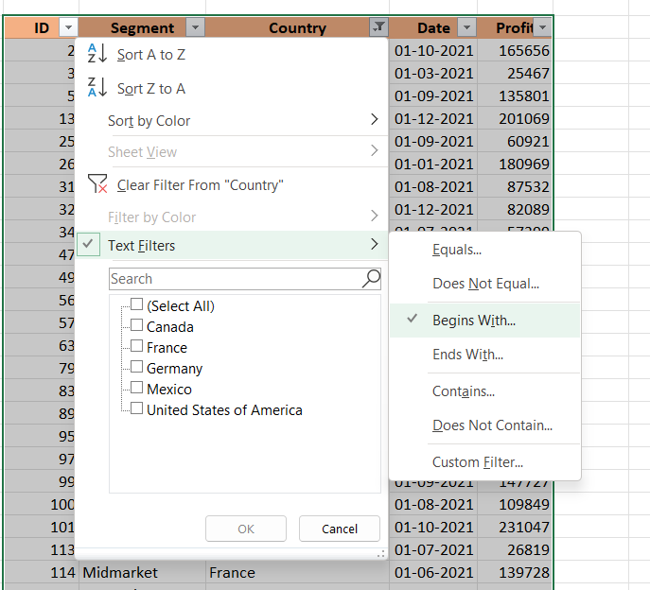
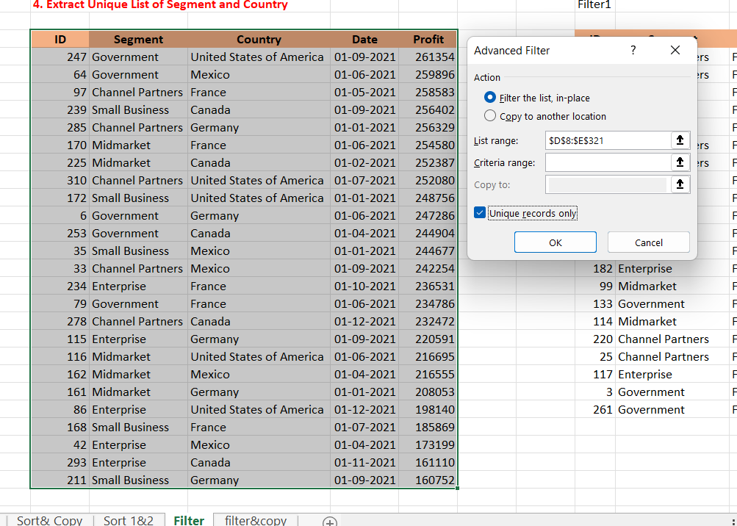
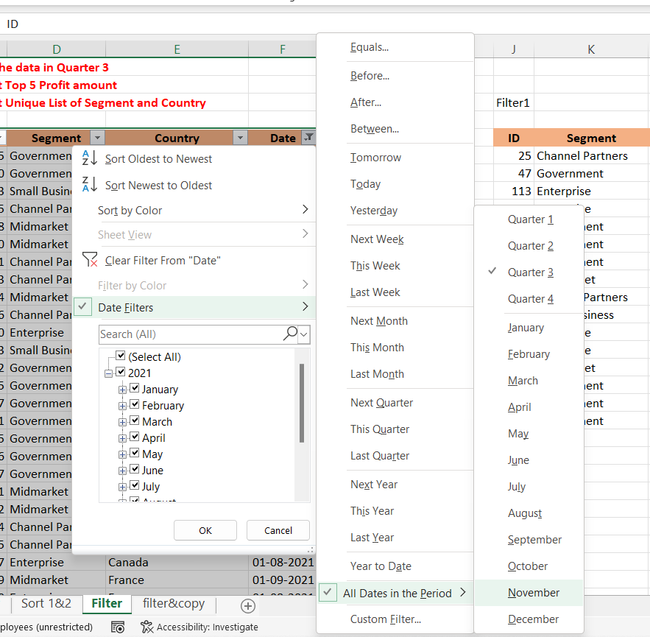
 | ID | Segment | Country | Date | Profit | ID | Segment | Country | Date | Profit | ID | Segment | Country | Date | Profit |  | Segment | Country
 | 2 | Government | France | 2021-10-01 | 165656 | 5 | Government | France | 2021-09-01 | 135801 | 247 | Government | United States of America | 2021-09-01 | 261354 |  | Government | United States of America
 | 3 | Government | France | 2021-03-01 | 25467 | 10 | Government | United States of America | 2021-07-01 | -34980 | 64 | Government | Mexico | 2021-06-01 | 259896 |  | Government | Mexico
 | 5 | Government | France | 2021-09-01 | 135801 | 23 | Small Business | Mexico | 2021-08-01 | 149617 | 97 | Channel Partners | France | 2021-05-01 | 258583 |  | Channel Partners | France
 | 13 | Government | France | 2021-12-01 | 201069 | 25 | Channel Partners | France | 2021-09-01 | 60921 | 207 | Channel Partners | France | 2021-09-01 | 258051 |  | Small Business | Canada
 | 25 | Channel Partners | France | 2021-09-01 | 60921 | 28 | Midmarket | Canada | 2021-07-01 | 12909 | 239 | Small Business | Canada | 2021-09-01 | 256402 |  | Channel Partners | Germany
 | 26 | Enterprise | France | 2021-01-01 | 180969 | 30 | Midmarket | Canada | 2021-07-01 | 36046 |  |  |  |  |  |  | Midmarket | France
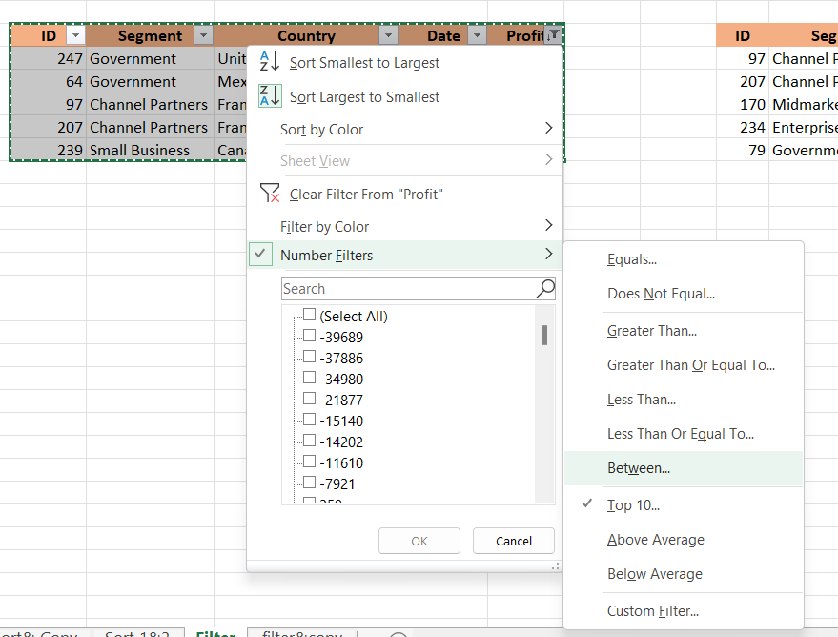
 | 31 | Channel Partners | France | 2021-08-01 | 87532 | 31 | Channel Partners | France | 2021-08-01 | 87532 |  |  |  |  |  |  | Midmarket | Canada
 | 32 | Small Business | France | 2021-12-01 | 82089 | 33 | Channel Partners | Mexico | 2021-09-01 | 242254 |  |  |  |  |  |  | Channel Partners | United States of America
 | 34 | Midmarket | France | 2021-07-01 | 57399 | 34 | Midmarket | France | 2021-07-01 | 57399 |  |  |  |  |  |  | Small Business | United States of America
 | 47 | Government | France | 2021-01-01 | 48442 | 36 | Channel Partners | Canada | 2021-08-01 | 55010 |  |  |  |  |  |  | Government | Germany
 | 49 | Government | France | 2021-11-01 | 146394 | 40 | Enterprise | Mexico | 2021-08-01 | 86220 |  |  |  |  |  |  | Government | Canada
 | 56 | Government | France | 2021-06-01 | 137843 | 43 | Small Business | Germany | 2021-08-01 | 17711 |  |  |  |  |  |  | Small Business | Mexico
 | 57 | Government | France | 2021-07-01 | 96209 | 52 | Government | United States of America | 2021-07-01 | 5850 |  |  |  |  |  |  | Channel Partners | Mexico
 | 63 | Government | France | 2021-06-01 | 7110 | 55 | Government | Mexico | 2021-08-01 | 131983 |  |  |  |  |  |  | Enterprise | France
 | 79 | Government | France | 2021-06-01 | 234786 | 57 | Government | France | 2021-07-01 | 96209 |  |  |  |  |  |  | Government | France
 | 83 | Midmarket | France | 2021-11-01 | 25301 | 61 | Government | Mexico | 2021-08-01 | 19225 |  |  |  |  |  |  | Channel Partners | Canada
 | 89 | Channel Partners | France | 2021-11-01 | 211082 | 75 | Government | Canada | 2021-07-01 | 7819 |  |  |  |  |  |  | Enterprise | Germany
 | 95 | Small Business | France | 2021-10-01 | 13328 | 76 | Government | United States of America | 2021-09-01 | 193691 |  |  |  |  |  |  | Midmarket | United States of America
 | 97 | Channel Partners | France | 2021-05-01 | 258583 | 77 | Government | United States of America | 2021-07-01 | 229218 |  |  |  |  |  |  | Midmarket | Mexico
 | 99 | Midmarket | France | 2021-09-01 | 147727 | 81 | Midmarket | Germany | 2021-08-01 | 22746 |  |  |  |  |  |  | Midmarket | Germany
 | 100 | Enterprise | France | 2021-08-01 | 109849 | 82 | Midmarket | United States of America | 2021-08-01 | 85536 |  |  |  |  |  |  | Enterprise | United States of America
 | 101 | Midmarket | France | 2021-10-01 | 231047 | 84 | Channel Partners | United States of America | 2021-07-01 | 152936 |  |  |  |  |  |  | Small Business | France
 | 113 | Enterprise | France | 2021-07-01 | 26819 | 85 | Channel Partners | United States of America | 2021-08-01 | 124717 |  |  |  |  |  |  | Enterprise | Mexico
 | 114 | Midmarket | France | 2021-06-01 | 139728 | 87 | Enterprise | Canada | 2021-08-01 | 99343 |  |  |  |  |  |  | Enterprise | Canada
 | 117 | Enterprise | France | 2021-05-01 | 57755 | 99 | Midmarket | France | 2021-09-01 | 147727 |  |  |  |  |  |  | Small Business | Germany
 | 123 | Government | France | 2021-06-01 | 115261 | 100 | Enterprise | France | 2021-08-01 | 109849
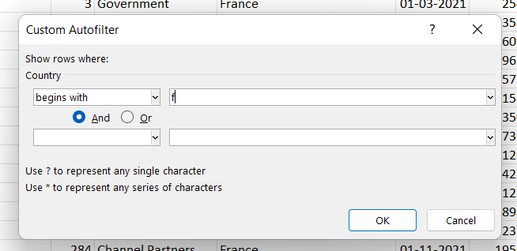
 | 125 | Government | France | 2021-12-01 | 9682 | 102 | Channel Partners | Mexico | 2021-07-01 | 219148
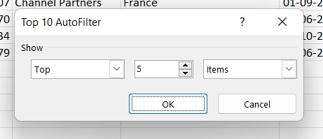
 | 133 | Government | France | 2021-01-01 | 142596 | 106 | Midmarket | Mexico | 2021-09-01 | 213879
 | 134 | Government | France | 2021-06-01 | 165992 | 111 | Enterprise | Germany | 2021-07-01 | 36547
 | 138 | Government | France | 2021-07-01 | 44394 | 113 | Enterprise | France | 2021-07-01 | 26819
 | 144 | Government | France | 2021-04-01 | 35096 | 115 | Enterprise | Germany | 2021-09-01 | 220591
 | 151 | Government | France | 2021-07-01 | 173616 | 118 | Small Business | Germany | 2021-08-01 | 102572
 | 156 | Midmarket | France | 2021-06-01 | 95791 | 119 | Midmarket | Canada | 2021-08-01 | 229197
 | 164 | Channel Partners | France | 2021-12-01 | 112636 | 120 | Enterprise | Germany | 2021-08-01 | 19002
 | 167 | Channel Partners | France | 2021-05-01 | 223042 | 121 | Government | Mexico | 2021-09-01 | 209590
 | 168 | Small Business | France | 2021-07-01 | 185869 | 132 | Government | United States of America | 2021-09-01 | 27327
 | 169 | Small Business | France | 2021-04-01 | 73394 | 138 | Government | France | 2021-07-01 | 44394
 | 170 | Midmarket | France | 2021-06-01 | 254580 | 139 | Government | Mexico | 2021-09-01 | 217075
 | 176 | Midmarket | France | 2021-04-01 | 259 | 142 | Government | Canada | 2021-08-01 | 217962
 | 182 | Enterprise | France | 2021-05-01 | 164464 | 145 | Government | Canada | 2021-07-01 | 64755
 | 189 | Government | France | 2021-02-01 | 210276 | 148 | Government | Mexico | 2021-08-01 | 191733
 | 190 | Government | France | 2021-02-01 | 86142 | 150 | Government | United States of America | 2021-09-01 | 242971
 | 203 | Enterprise | France | 2021-12-01 | 71529 | 151 | Government | France | 2021-07-01 | 173616
 | 207 | Channel Partners | France | 2021-09-01 | 258051 | 166 | Enterprise | Canada | 2021-07-01 | 23560
 | 217 | Midmarket | France | 2021-06-01 | 159478 | 168 | Small Business | France | 2021-07-01 | 185869
 | 220 | Channel Partners | France | 2021-04-01 | 89649 | 187 | Government | United States of America | 2021-08-01 | 67090
 | 221 | Enterprise | France | 2021-04-01 | 42319 | 188 | Government | United States of America | 2021-09-01 | 13179
 | 222 | Small Business | France | 2021-05-01 | 1519 | 192 | Government | Germany | 2021-07-01 | 86843
 | 229 | Enterprise | France | 2021-12-01 | 12709 | 196 | Government | United States of America | 2021-07-01 | 103592
 | 231 | Channel Partners | France | 2021-11-01 | 39271 | 198 | Government | Mexico | 2021-07-01 | 138473
 | 234 | Enterprise | France | 2021-10-01 | 236531 | 200 | Government | United States of America | 2021-08-01 | 10877
 | 235 | Midmarket | France | 2021-10-01 | 128249 | 201 | Midmarket | Mexico | 2021-08-01 | 155980
 | 236 | Enterprise | France | 2021-12-01 | 210352 | 202 | Enterprise | Germany | 2021-08-01 | 23010
 | 238 | Midmarket | France | 2021-03-01 | 117440 | 206 | Small Business | Germany | 2021-07-01 | 121986
 | 240 | Government | France | 2021-01-01 | 151301 | 207 | Channel Partners | France | 2021-09-01 | 258051
 | 248 | Government | France | 2021-07-01 | 89802 | 211 | Small Business | Germany | 2021-09-01 | 160752
 | 249 | Government | France | 2021-08-01 | 23250 | 216 | Small Business | United States of America | 2021-08-01 | 110965
 | 257 | Government | France | 2021-08-01 | 7382 | 223 | Midmarket | Mexico | 2021-08-01 | 78549
 | 261 | Government | France | 2021-06-01 | 7190 | 232 | Channel Partners | Mexico | 2021-09-01 | 208038
 | 266 | Government | France | 2021-02-01 | 134107 | 233 | Midmarket | Mexico | 2021-07-01 | 12894
 | 269 | Government | France | 2021-01-01 | 28289 | 239 | Small Business | Canada | 2021-09-01 | 256402
 | 274 | Midmarket | France | 2021-12-01 | 100956 | 247 | Government | United States of America | 2021-09-01 | 261354
 | 284 | Channel Partners | France | 2021-11-01 | 195638 | 248 | Government | France | 2021-07-01 | 89802
 | 292 | Midmarket | France | 2021-02-01 | 11682 | 249 | Government | France | 2021-08-01 | 23250
 | 306 | Midmarket | France | 2021-10-01 | 86076 | 251 | Government | United States of America | 2021-07-01 | 52513
 | 309 | Midmarket | France | 2021-04-01 | 51383 | 254 | Government | Canada | 2021-07-01 | 159745
 | 311 | Midmarket | France | 2021-07-01 | 176652 | 257 | Government | France | 2021-08-01 | 7382
 |  |  |  |  |  | 263 | Government | Germany | 2021-09-01 | 200584
 |  |  |  |  |  | 264 | Government | Mexico | 2021-07-01 | 235104
 |  |  |  |  |  | 265 | Government | Canada | 2021-09-01 | 55991
 |  |  |  |  |  | 273 | Enterprise | Canada | 2021-07-01 | 104422
 |  |  |  |  |  | 276 | Channel Partners | United States of America | 2021-07-01 | 59920
 |  |  |  |  |  | 282 | Small Business | Canada | 2021-08-01 | 216458
 |  |  |  |  |  | 288 | Small Business | Mexico | 2021-07-01 | 226327
 |  |  |  |  |  | 291 | Small Business | United States of America | 2021-09-01 | 12156
 |  |  |  |  |  | 298 | Midmarket | United States of America | 2021-09-01 | 98246
 |  |  |  |  |  | 300 | Channel Partners | United States of America | 2021-09-01 | 74093
 |  |  |  |  |  | 302 | Enterprise | Mexico | 2021-08-01 | 75634
 |  |  |  |  |  | 308 | Midmarket | United States of America | 2021-07-01 | -39689
 |  |  |  |  |  | 310 | Channel Partners | United States of America | 2021-07-01 | 252080
 |  |  |  |  |  | 311 | Midmarket | France | 2021-07-01 | 176652
 |  |  |  |  |  | 313 | Enterprise | Germany | 2021-08-01 | 7269

